records
Sample Measurement Record
Mano Engineering LLC |  |  |  |  |  |  |  | Part No. SCBS4-12
No. | A | B | C | D | E | L | (a)
1 | 6.85 | 3.03 | 6.67 | 8.89 | 4 | 11.8 | 3.95
2 | 6.87 | 3.03 | 6.52 | 8.8 | 3.95 | 11.9 | 3.9
3 | 6.86 | 3.03 | 6.53 | 8.82 | 4.01 | 11.78 | 3.86
4 | 6.85 | 3.02 | 6.56 | 8.84 | 3.93 | 11.8 | 3.87
5 | 6.86 | 3.03 | 6.51 | 8.82 | 3.99 | 11.82 | 3.75

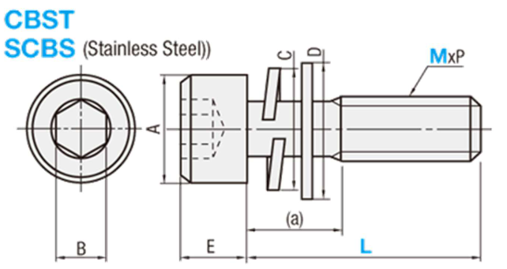

Note: "(a)" is measured roughly

